dashboard
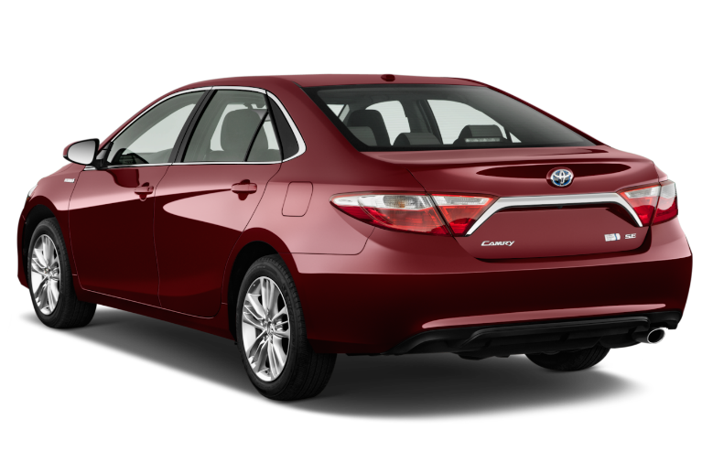
Nigerian Car Market

Average Vehicle Metrics: Nigerian Car Market
₦4.0M
29K
209
3.1K
Location: Nigeria - Africa
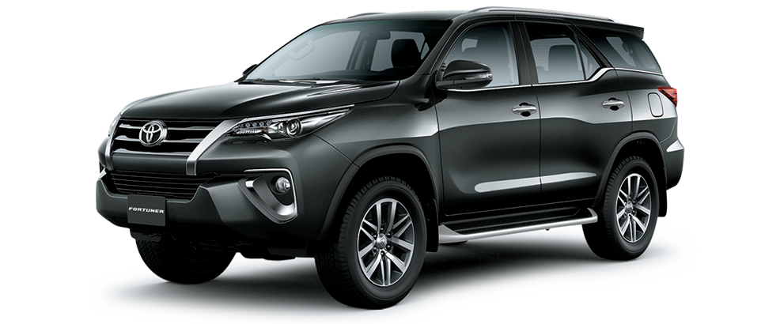
(km)
(hp)
(cc)
Price
Mileage
Horse Power
Engine Size

 | Total
Acura | 43
Ford | 110
Honda | 291
Hyundai | 75
Kia | 51
Lexus | 235
Mercedes-Benz | 201
Nissan | 95
Peugeot | 45
Toyota | 938
Volkswagen | 43
Top 10 Most Popular Car Models in Nigeria

Which Color Wins? Top 10 Picks for Nigerian Cars
 | Total
Beige | 14
Black | 621
Blue | 278
Brown | 38
Gold | 133
Gray | 409
Green | 88
Red | 150
Silver | 397
White | 205
 | Total
Automatic | 2214
Manual | 142
Naija Drivers' Choice: Automatic or Manual?

Insights on Pricing, Mileage, and Performance: Sourced from Car45.com

